Sheet1
Source | findings/argument
Current Population Survey (CPS) |  | https://www.census.gov/programs-surveys/cps.html
CPS micro data acess |  | https://data.census.gov/mdat/#/
CES, Employment and Earnings, Table B-5a. Employment of women on nonfarm payrolls by industry sector, seasonally adjusted | 2011-2022 archived employment data | https://www.bls.gov/ces/data/employment-and-earnings/

Table 4. Quits levels and rates by industry and region, seasonally adjusted | 1. From April 2021 to April 2022, Retail trade, Professional and business services, Leisure and hospitality, and Health care and social assistance have remained at high quit levels. 2. regional difference. South has the largest quit level. | https://www.bls.gov/news.release/jolts.t04.htm
Job Openings and Labor Turnover Summary | Separations Total separations includes quits, layoffs and discharges, and other separations. Quits are generally voluntary separations initiated by the employee. Therefore, the quits rate can serve as a measure of workers’ willingness or ability to leave jobs. Layoffs and discharges are involuntary separations initiated by the employer. Other separations includes separations due to retirement, death, disability, and transfers to other locations of the same firm. | https://www.bls.gov/news.release/jolts.nr0.htm
Women in the labor force: a databook |  | https://www.bls.gov/opub/reports/womens-databook/2019/home.htm
Labor Force Status of Women & Men |  | https://www.dol.gov/agencies/wb/data/widget
BLS restricted data |  | https://www.bls.gov/rda/restricted-data.htm#employment
women Bureau, Facts Over Time, labor force participation |  | https://www.dol.gov/agencies/wb/data/facts-over-time#WomenLF
working women, age, ethnicity, sex |  | https://www.dol.gov/agencies/wb/data/latest-annual-data#Labor-Force-Participation-Rates
Labor force participation rate by sex, race and Hispanic ethnicity |  | https://www.dol.gov/agencies/wb/data/lfp/lfp-sex-race-hispanic
Civilian Labor Force by Sex |  | https://www.dol.gov/agencies/wb/data/lfp/civilianlfbysex

 |  | https://www.prnewswire.com/news-releases/survey-finds-great-resignation-continues-as-women-seek-new-jobs-with-higher-income-to-compensate-for-financial-setbacks-caused-by-covid-pandemic-301493356.html
Gusto | A Real-Time Look at The ‘Great Resignation’ | https://gusto.com/company-news/a-real-time-look-at-the-great-resignation
SHRM | Historic Great Resignation 2000-2021 | https://www.shrm.org/resourcesandtools/hr-topics/talent-acquisition/pages/interactive-quits-level-by-year.aspx
pew | Majority of workers who quit a job in 2021 cite low pay, no opportunities for advancement, feeling disrespected | https://www.pewresearch.org/fact-tank/2022/03/09/majority-of-workers-who-quit-a-job-in-2021-cite-low-pay-no-opportunities-for-advancement-feeling-disrespected/

Deloitte's 'Women@Work 2022: A Global Outlook' | a substantial number of women employees plan to quit jobs within the next two years due to burnout and lack of flexible work hours | chrome-extension://efaidnbmnnnibpcajpcglclefindmkaj/https://www2.deloitte.com/content/dam/Deloitte/global/Documents/deloitte-women-at-work-2022-a-global-outlook.pdf
 | "Great Resignation" by Women Will Continue, Deloitte Study Shows | https://www.xperthr.com/news/great-resignation-by-women-will-continue-deloitte-study-shows/50705/
 | over 1 million women have left the workforce.
mint | The report specifies the 'great resignation' – a global phenomena of people leaving jobs in a large number amid the ongoing pandemic – seems to continue especially among women workers. The Great Resignation has been a boon to employees searching for better working conditions and higher pay. Economies bouncing back from Covid-19 and work from home options have made it easier for employees to quit unappealing positions and look for alternatives, driving up wages. According to the report, nearly 56% of women say their stress levels are higher than they were a year ago, and almost half feel burned out. The report specifies the 'great resignation' – a global phenomena of people leaving jobs in a large number amid the ongoing pandemic – seems to continue especially among women workers. The Great Resignation has been a boon to employees searching for better working conditions and higher pay. Economies bouncing back from Covid-19 and work from home options have made it easier for employees to quit unappealing positions and look for alternatives, driving up wages. According to the report, nearly 56% of women say their stress levels are higher than they were a year ago, and almost half feel burned out. | https://www.livemint.com/news/india/the-great-resignation-continues-as-40-of-women-workforce-look-for-a-new-job-11650974175865.html
cision | Survey Finds Great Resignation Continues as Women Seek New Jobs with Higher Income to Compensate for Financial Setbacks Caused by Covid Pandemic | https://www.prnewswire.com/news-releases/survey-finds-great-resignation-continues-as-women-seek-new-jobs-with-higher-income-to-compensate-for-financial-setbacks-caused-by-covid-pandemic-301493356.html
Havard business | Great Upgrade to refer to the pattern of higher quit rates in lower-wage industries. | https://hbr.org/2022/03/the-great-resignation-didnt-start-with-the-pandemic

 | “reshuffling” — that is, moving among different jobs in the same sector, or even between sectors.
 | According to an analysis of BLS data conducted by the Economic Policy Institute in November of 2021, hiring rates are exceeding quit rates across many sectors, which suggests that high wage growth is attracting new applicants to open positions — and that many workers are both able and willing to accept jobs that are sufficiently attractive.

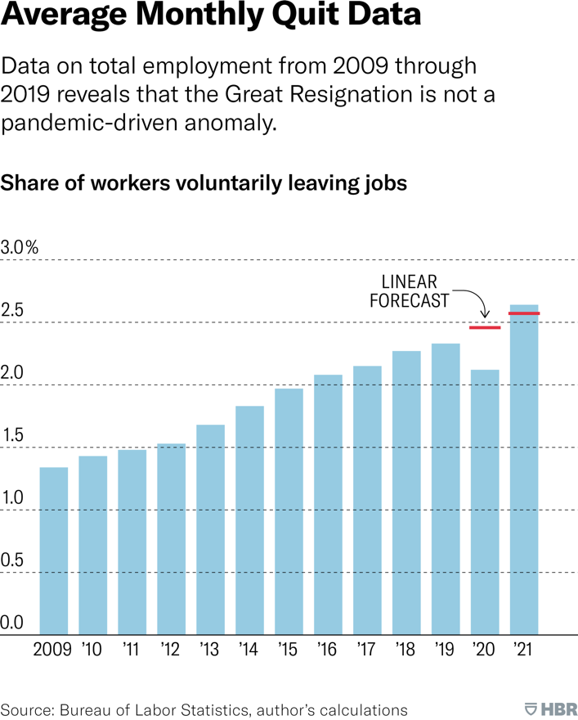

Financebuzz | Industries losing the highest number of employees are retail, restaurants and bars, and healthcare and social assistance jobs, according to data released by the Bureau of Labor Statistics (BLS). All these sectors employ a high number of female workers. | https://financebuzz.com/women-leading-great-resignation
Guardian | Part of the ‘great resignation’ is actually just mothers forced to leave their jobs | https://www.theguardian.com/commentisfree/2021/nov/19/great-resignation-mothers-forced-to-leave-jobs

